Form
PANASONIC SYSTEM NETWORKS VIETNAM CO., LTD
REGISTER FORM FOR FY2025 PROMOTION PROJECT
Name: | Nguyen Nhu Minh | Nominated position: | Supervisor | Section/ Department: ISD | Theme: | Electronic standardization of stamps for IQC & OQC departments
I. CURRENT ISSUES |  |  |  | II. PLAN & TARGET OF THE PROJECT
Background : Overview of the ensure quality system of IQC and OQC departments. |  |  |  | DESCRIBE PROCEDURE FOR IMPLEMENTATION OF ACTION PLAN
+ The management system is mainly manual and excel, loss time traceability, easy mistake. |  |  |  | ô Issue Job And Schedule To Complete
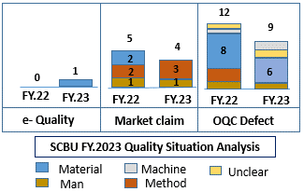
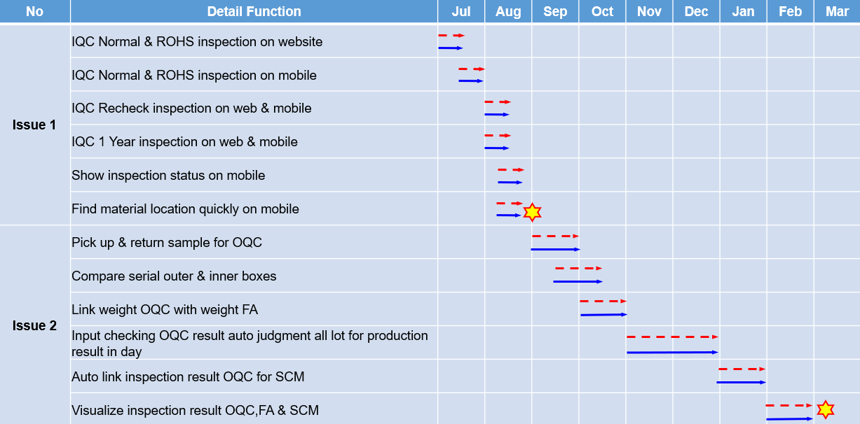
+ The results of inspection process are manually stamped.
- Takes time to find materials and goods to chop stamp.
- Risk: + Wrong packaging pass to market.
+ NG Material can still be storing.
Issue 1: Input quality control process.
- Incoming inspection QC system is not optimized.
- Loss time to chop stamp and find location.
IQC judgment OK/NG auto judgment All lot
Solution 1: Electronic standardization of stamps for IQC.
PQC
Sampling
Loss time to chop stamp
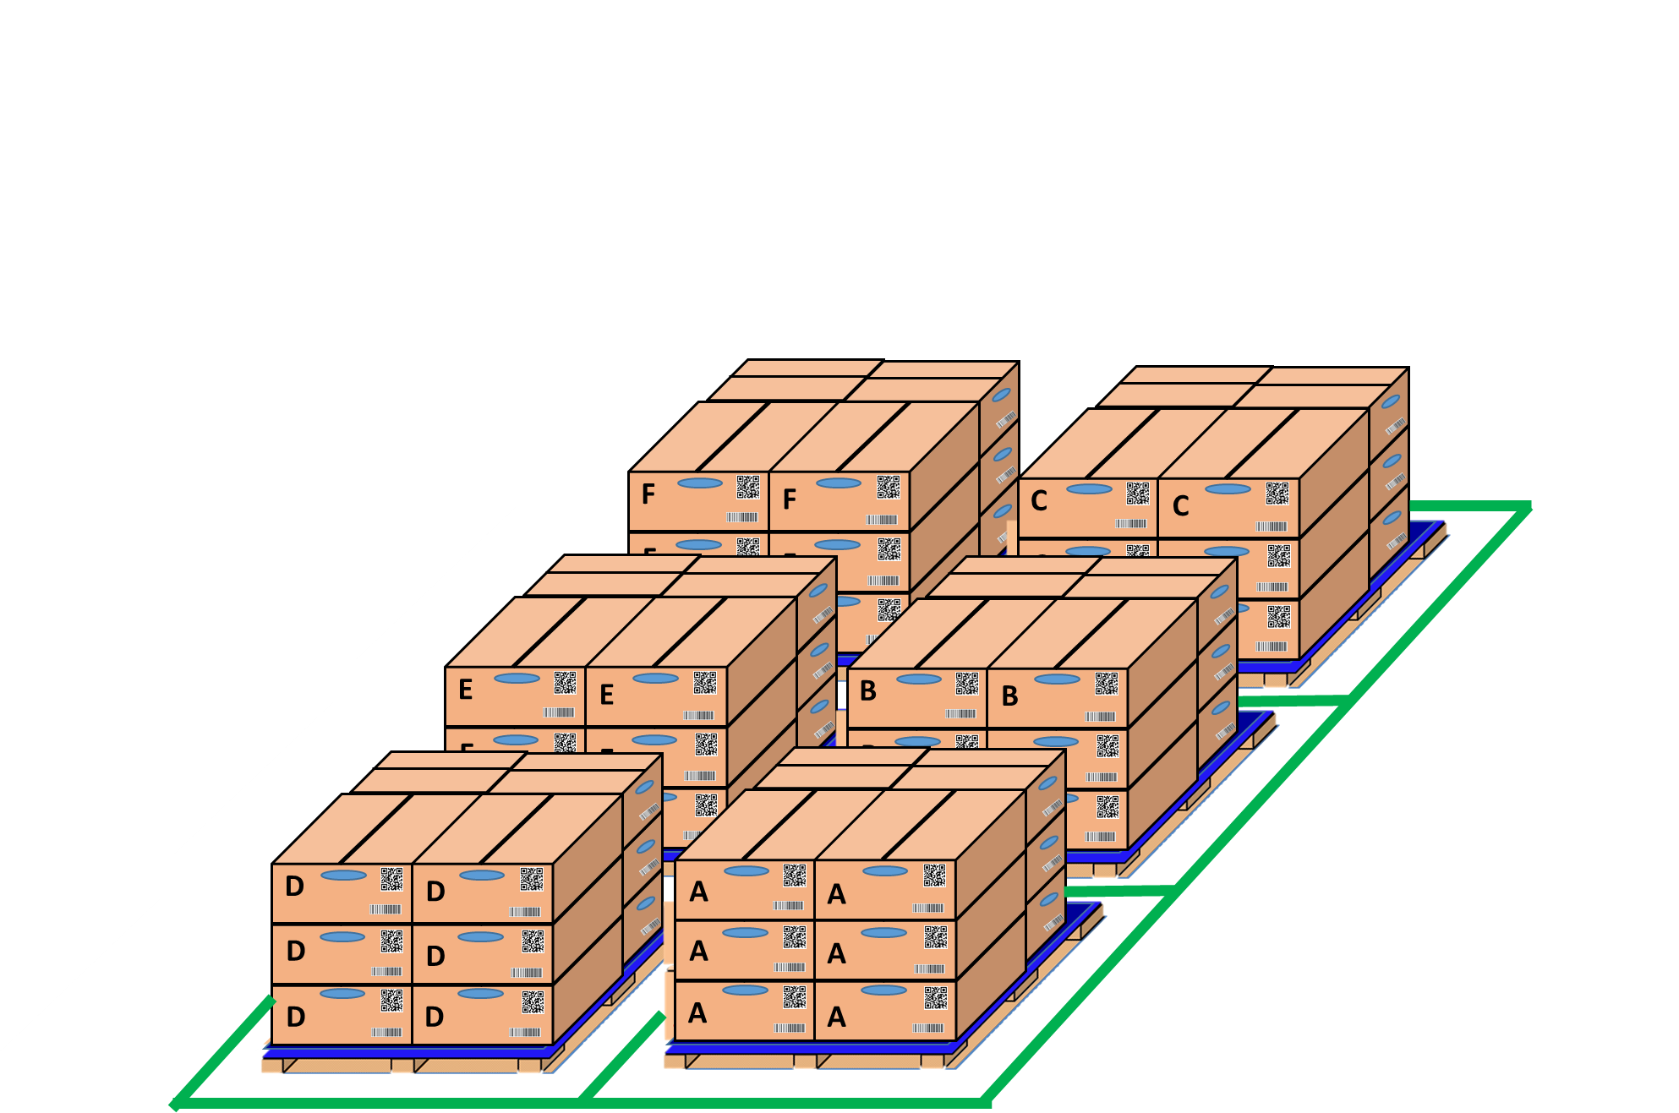
OK
NG
SWMS

Pick up sample
OK
NG
IQC inspection
visualize inspection IQC with MCS
OK
NG
OK
PQC
OK
Day- Month- Year
OK
NG
PQC
Sampling
PQC
OK
Day- Month- Year
Loss time to chop stamp OK /NG
IQC find location and chop stamp all lot
IQC inspection

IQC inspection results are attached to the receiving card of MCS easy to traceability.

Issue 2: Output quality control process
- Inspection OQC process is manual and record result by excel file & papper. |  |  |  | ôTarget FY2024
- Loss time to chop stamp and inspection result OQC no link system FA & SCM. |  |  |  | POptimize IQC system to ensure input quality.
Solution 2: Visualize OQC inspection system by Electronic Stamp |  |  |  | PStandardize the entire OQC system with software to ensure output quality.
Get Sample
Return
OQC soft ware
Line FA
FA shrink pallet ID
 |  |  |  | ô Next schedule
Shirk Machine
 |  |  |  | P For company: Standardize and improve factory manual processes to reduce time and head count.
No Link
OQC inspection
No Link
Shirk Machine
 |  |  |  | P My self: Improve my skills such as communication skills, presentation skills and reporting skills
Production line FA
FA shrink pallet ID
 |  |  |  | P My team : Share major technical experience, training support skill and improving spiritual working team.
OQC
OK
Day- Month- Year
Database server
No Link
WMS system
No Link
 |  |  |  | III. CONFIRMATION OF SUPERIOR

WMS system
OQC
OK
Day- Month- Year
OQC find Model, ID pallet, product date to chop stamp
SCM warehouse
SCM confrm OQC result by stamp
visualize inspection
Auto online update OQC result & no need chop stamp
Prevent wrong packing leakage out to market

